NXP15XH103F03RC
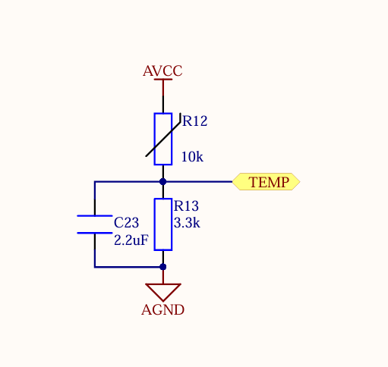
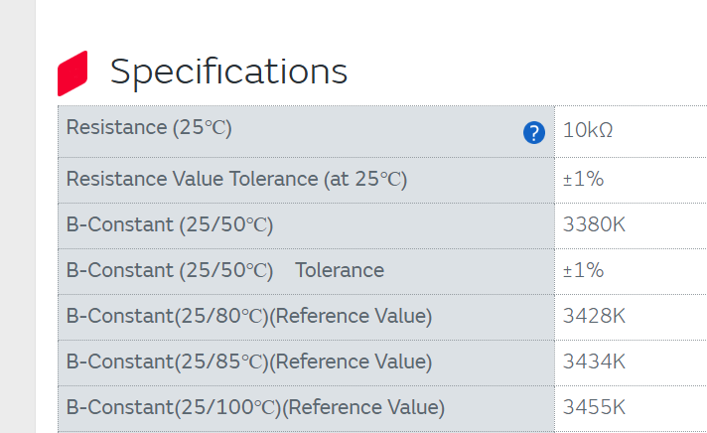
NTC P/N (assuming ODESC 4p2 uses same BOM as ODRIVE 3.5) | NXP15XH103F03RC

V_TEMP = AVCC / (R_NTC + R_BOT) * R_BOT
CNTS = V_TEMP / AVCC * RESOLUTION

BITS | 12
RESOLUTION | 4096
AVCC | 3.3
R_BOT | 3300

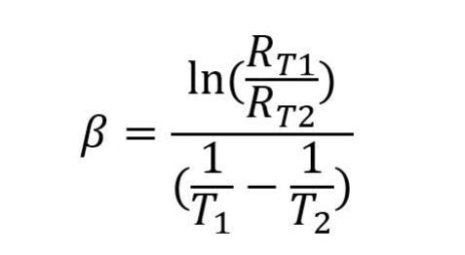

 |  |  |  |  | 274.15

 |  | B (25-100C) | 10000 | R_t2 | t1 | t2 | Counts
 |  | 3455 | 10000 | 246828.50083 | 25 | -40 | 54
 |  | 3455 | 10000 | 134872.75133 | 25 | -30 | 98
 |  | 3455 | 10000 | 77287.266178 | 25 | -20 | 168
 |  | 3455 | 10000 | 46195.607839 | 25 | -10 | 273
 |  | 3455 | 10000 | 28668.099186 | 25 | 0 | 423 | B(1/t+1/t) = ln(Rt1/Rt2)
 |  | 3455 | 10000 | 18398.44349 | 25 | 10 | 623
 |  | 3455 | 10000 | 12169.138637 | 25 | 20 | 874 | e^(B(1/t+1/t)) = Rt1/Rt2
 |  | 3455 | 10000 | 8270.7211357 | 25 | 30 | 1168
 |  | 3455 | 10000 | 5761.0864664 | 25 | 40 | 1492
 |  | 3455 | 10000 | 4103.5023615 | 25 | 50 | 1826
 |  | 3455 | 10000 | 2982.8015272 | 25 | 60 | 2151
 |  | 3455 | 10000 | 2208.7400416 | 25 | 70 | 2454
 |  | 3455 | 10000 | 1663.5408399 | 25 | 80 | 2723
 |  | 3455 | 10000 | 1272.5764789 | 25 | 90 | 2956
 |  | 3455 | 10000 | 987.53779188 | 25 | 100 | 3153
 |  | 3455 | 10000 | 776.52825671 | 25 | 110 | 3316
 |  | 3455 | 10000 | 618.09908234 | 25 | 120 | 3450
 |  | 3455 | 10000 | 497.58011069 | 25 | 130 | 3559
 |  | 3455 | 10000 | 404.77787404 | 25 | 140 | 3648
 |  | 3455 | 10000 | 332.50457017 | 25 | 150 | 3721
 |  | 3455 | 10000 | 275.6217456 | 25 | 160 | 3780
 |  | 3455 | 10000 | 230.40853154 | 25 | 170 | 3829
 |  | 3455 | 10000 | 194.13796421 | 25 | 180 | 3868
 |  | 3455 | 10000 | 164.78881587 | 25 | 190 | 3901
 |  | 3455 | 10000 | 140.84697882 | 25 | 200 | 3928

 |  |  | -40
 |  |  | -30
 |  |  | -20
 |  |  | -10
 |  |  | 0
 |  |  | 10
 |  |  | 20
 |  |  | 30
 |  |  | 40
 |  |  | 50
 |  |  | 60
 |  |  | 70
 |  |  | 80
 |  |  | 90
 |  |  | 100
 |  |  | 110
 |  |  | 120
 |  |  | 130
 |  |  | 140
 |  |  | 150
 |  |  | 160
 |  |  | 170
 |  |  | 180
 |  |  | 190
 |  |  | 200

LED Q shaped Pulse LUT
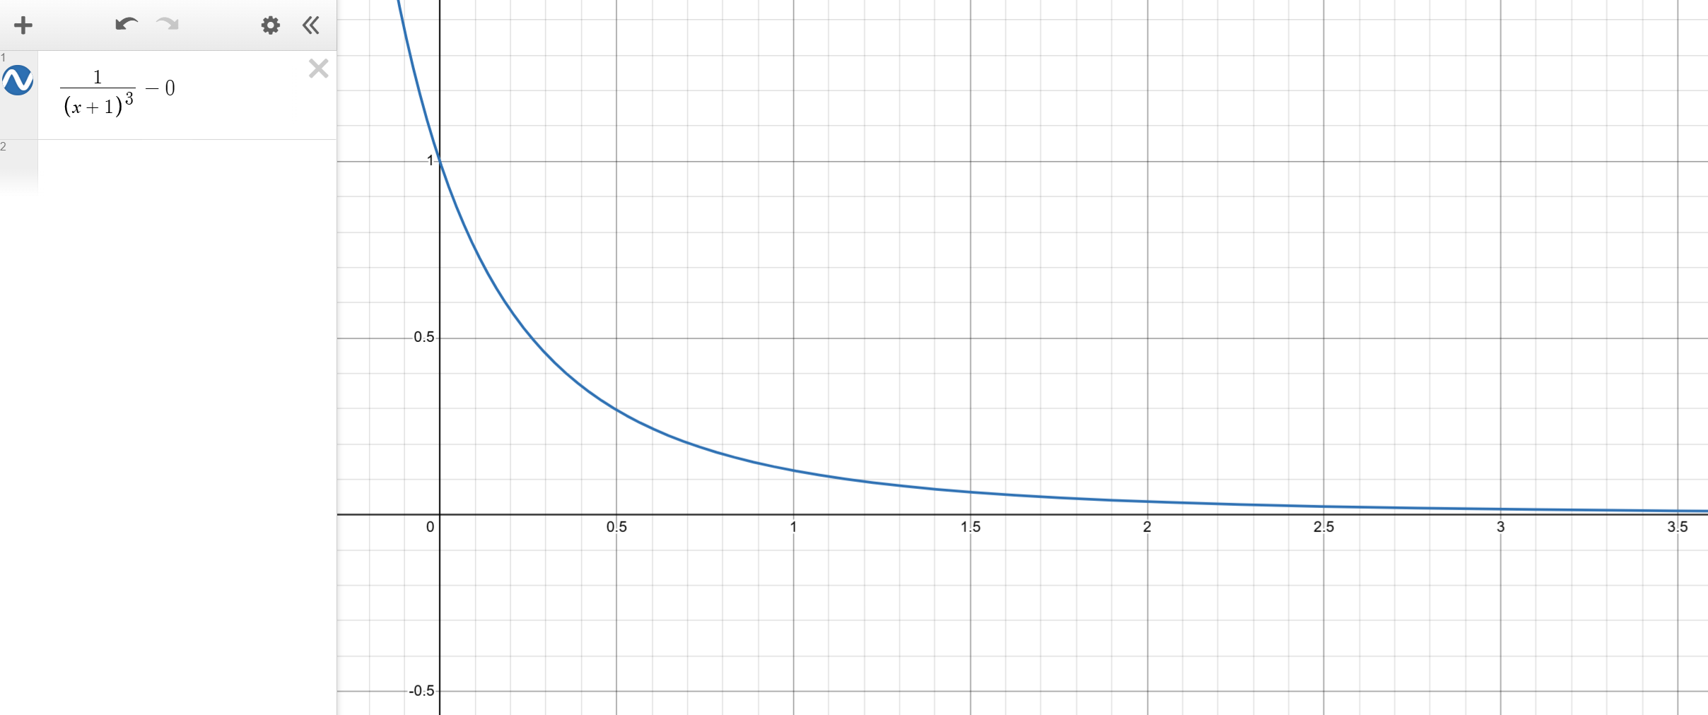

scaled from 0 to 1 as a float, then multiplied by 100 and converted to a uint

 | 0 | 1.00000000 | f | , | 255
 | 1 | 0.91514166 | f | , | 233.36112314
 | 2 | 0.83961928 | f | , | 214.10291717
 | 3 | 0.77218348 | f | , | 196.90678742
 | 4 | 0.71178025 | f | , | 181.50396319
 | 5 | 0.65751623 | f | , | 167.66663927
 | 6 | 0.60863087 | f | , | 155.20087253
 | 7 | 0.56447393 | f | , | 143.94085216
 | 8 | 0.52448726 | f | , | 133.74425162
 | 9 | 0.48818995 | f | , | 124.48843795
 | 10 | 0.45516614 | f | , | 116.06736459
 | 11 | 0.42505495 | f | , | 108.38901199
 | 12 | 0.39754223 | f | , | 101.3732699
 | 13 | 0.37235364 | f | , | 94.950177222
 | 14 | 0.34924884 | f | , | 89.058453079
 | 15 | 0.32801673 | f | , | 83.644265858
 | 16 | 0.30847136 | f | , | 78.660197817
 | 17 | 0.29044851 | f | , | 74.064370942
 | 18 | 0.27380277 | f | , | 69.819706352
 | 19 | 0.25840508 | f | , | 65.893294724
 | 20 | 0.24414062 | f | , | 62.255859375
 | 21 | 0.23090705 | f | , | 58.881296922
 | 22 | 0.21861288 | f | , | 55.746283144
 | 23 | 0.20717621 | f | , | 52.829933813
 | 24 | 0.19652358 | f | , | 50.113512018
 | 25 | 0.18658892 | f | , | 47.580174927
 | 26 | 0.17731276 | f | , | 45.214754124
 | 27 | 0.16864143 | f | , | 43.003564574
 | 28 | 0.16052642 | f | , | 40.934238103
 | 29 | 0.15292383 | f | , | 38.995577901
 | 30 | 0.14579385 | f | , | 37.177431112
 | 31 | 0.13910030 | f | , | 35.470577017
 | 32 | 0.13281031 | f | , | 33.866628701
 | 33 | 0.12689391 | f | , | 32.357946395
 | 34 | 0.12132377 | f | , | 30.937560965
 | 35 | 0.11607493 | f | , | 29.599106223
 | 36 | 0.11112454 | f | , | 28.336758933
 | 37 | 0.10645171 | f | , | 27.145185546
 | 38 | 0.10203723 | f | , | 26.019494826
 | 39 | 0.09786351 | f | , | 24.955195637
 | 40 | 0.09391435 | f | , | 23.948159279
 | 41 | 0.09017485 | f | , | 22.994585812
 | 42 | 0.08663127 | f | , | 22.090973923
 | 43 | 0.08327096 | f | , | 21.234093894
 | 44 | 0.08008221 | f | , | 20.420963344
 | 45 | 0.07705422 | f | , | 19.648825405
 | 46 | 0.07417698 | f | , | 18.915129077
 | 47 | 0.07144122 | f | , | 18.217511515
 | 48 | 0.06883836 | f | , | 17.553782035
 | 49 | 0.06636042 | f | , | 16.921907652
 | 50 | 0.06400000 | f | , | 16.32
 | 51 | 0.06175021 | f | , | 15.746303463
 | 52 | 0.05960464 | f | , | 15.199184418
 | 53 | 0.05755734 | f | , | 14.677121458
 | 54 | 0.05560273 | f | , | 14.178696503
 | 55 | 0.05373563 | f | , | 13.702586699
 | 56 | 0.05195120 | f | , | 13.247557047
 | 57 | 0.05024492 | f | , | 12.812453665
 | 58 | 0.04861254 | f | , | 12.396197644
 | 59 | 0.04705012 | f | , | 11.997779423
 | 60 | 0.04555394 | f | , | 11.616253644
 | 61 | 0.04412053 | f | , | 11.250734441
 | 62 | 0.04274663 | f | , | 10.900391115
 | 63 | 0.04142919 | f | , | 10.564444166
 | 64 | 0.04016534 | f | , | 10.242161654
 | 65 | 0.03895238 | f | , | 9.9328558421
 | 66 | 0.03778777 | f | , | 9.6358801179
 | 67 | 0.03666912 | f | , | 9.3506261491
 | 68 | 0.03559420 | f | , | 9.0765212677
 | 69 | 0.03456089 | f | , | 8.8130260534
 | 70 | 0.03356718 | f | , | 8.5596321037
 | 71 | 0.03261122 | f | , | 8.3158599723
 | 72 | 0.03169120 | f | , | 8.0812572636
 | 73 | 0.03080548 | f | , | 7.8553968687
 | 74 | 0.02995245 | f | , | 7.6378753312
 | 75 | 0.02913063 | f | , | 7.4283113336
 | 76 | 0.02833861 | f | , | 7.2263442927
 | 77 | 0.02757503 | f | , | 7.031633056
 | 78 | 0.02683865 | f | , | 6.8438546908
 | 79 | 0.02612825 | f | , | 6.6627033598
 | 80 | 0.02544270 | f | , | 6.4878892734
 | 81 | 0.02478093 | f | , | 6.3191377167
 | 82 | 0.02414191 | f | , | 6.1561881424
 | 83 | 0.02352468 | f | , | 5.9987933251
 | 84 | 0.02292831 | f | , | 5.8467185739
 | 85 | 0.02235193 | f | , | 5.6997409971
 | 86 | 0.02179470 | f | , | 5.5576488155
 | 87 | 0.02125585 | f | , | 5.420240722
 | 88 | 0.02073461 | f | , | 5.2873252819
 | 89 | 0.02023028 | f | , | 5.1587203727
 | 90 | 0.01974217 | f | , | 5.0342526603
 | 91 | 0.01926964 | f | , | 4.9137571074
 | 92 | 0.01881206 | f | , | 4.7970765148
 | 93 | 0.01836887 | f | , | 4.6840610898
 | 94 | 0.01793948 | f | , | 4.5745680424
 | 95 | 0.01752338 | f | , | 4.4684612065
 | 96 | 0.01712004 | f | , | 4.3656106842
 | 97 | 0.01672899 | f | , | 4.2658925115
 | 98 | 0.01634976 | f | , | 4.1691883444
 | 99 | 0.01598190 | f | , | 4.0753851643
 | 100 | 0.01562500 | f | , | 3.984375
 | 101 | 0.01527865 | f | , | 3.8960546671
 | 102 | 0.01494245 | f | , | 3.8103255219
 | 103 | 0.01461605 | f | , | 3.7270932302
 | 104 | 0.01429909 | f | , | 3.646267549
 | 105 | 0.01399122 | f | , | 3.5677621212
 | 106 | 0.01369213 | f | , | 3.4914942818
 | 107 | 0.01340151 | f | , | 3.4173848748
 | 108 | 0.01311905 | f | , | 3.3453580808
 | 109 | 0.01284448 | f | , | 3.2753412543
 | 110 | 0.01257751 | f | , | 3.2072647691
 | 111 | 0.01231789 | f | , | 3.1410618738
 | 112 | 0.01206537 | f | , | 3.0766685534
 | 113 | 0.01181970 | f | , | 3.0140233999
 | 114 | 0.01158066 | f | , | 2.953067489
 | 115 | 0.01134802 | f | , | 2.8937442639
 | 116 | 0.01112157 | f | , | 2.8359994249
 | 117 | 0.01090110 | f | , | 2.7797808249
 | 118 | 0.01068642 | f | , | 2.7250383707
 | 119 | 0.01047735 | f | , | 2.6717239292
 | 120 | 0.01027369 | f | , | 2.6197912386
 | 121 | 0.01007528 | f | , | 2.5691958237
 | 122 | 0.00988194 | f | , | 2.5198949162
 | 123 | 0.00969352 | f | , | 2.471847379
 | 124 | 0.00950986 | f | , | 2.4250136333
 | 125 | 0.00933081 | f | , | 2.3793555912
 | 126 | 0.00915622 | f | , | 2.3348365896
 | 127 | 0.00898597 | f | , | 2.2914213292
 | 128 | 0.00881991 | f | , | 2.2490758151
 | 129 | 0.00865791 | f | , | 2.2077673011
 | 130 | 0.00849986 | f | , | 2.1674642368
 | 131 | 0.00834563 | f | , | 2.1281362166
 | 132 | 0.00819511 | f | , | 2.0897539316
 | 133 | 0.00804819 | f | , | 2.0522891237
 | 134 | 0.00790476 | f | , | 2.0157145422
 | 135 | 0.00776472 | f | , | 1.9800039018

LED Driver
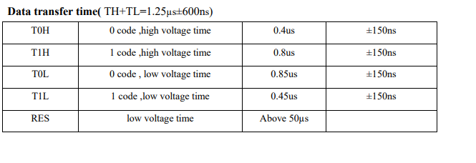
logic 0 high | 0.35
logic 0 low | 0.8
 | 1.15

logic 1 high | 0.7
logic 1 low | 0.6
 | 1.3

1.2

0.25
0.125 |  | periodicity | 3.00E-07 | 300ns |  | SYSCLK freq | 168000000
0.475 |  | freq | 3.33E+06 | 3.34MHz |  | clk divider | 50
 |  |  |  |  | 50.40 | actual dma bump freq | 3360000
 |  | bits per led | 24 |  |  | dma bump periodicity | 2.9761904762E-07
 |  | comm time per led | 7.20E-06
 |  | # of LED's | 50
 |  | reset time | 7.50E-05
 |  | time per transmission | 4.35E-04 | 435uS

 |  | num of total data bits | 1200
 |  | num of transfers data | 4800
 |  | num of transfers reset | 2.50E+02
 |  | num of dma transfers | 5.05E+03
 |  | number of bytes per transfer | 2
 |  | num of bytes required | 10100

